calendar
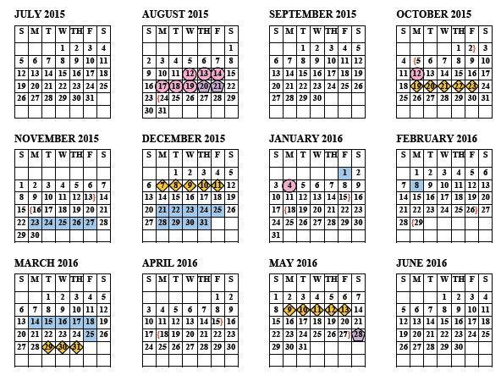

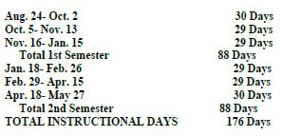

Planner
Reminders
Reading |  |  |  | Date: | 2015-02-27
Readiness |  | Supporting |  | 1/2A
R Category 1 Across Genres | [FIG 19] Short Answer Response [use textual evidence] | S Category 1 Across Genres | [1.A] Vocabulary Technical Academic Words
 | [FIG 19B] Make connections across genres |  | [1.D] VocabularyForeign words or phrases
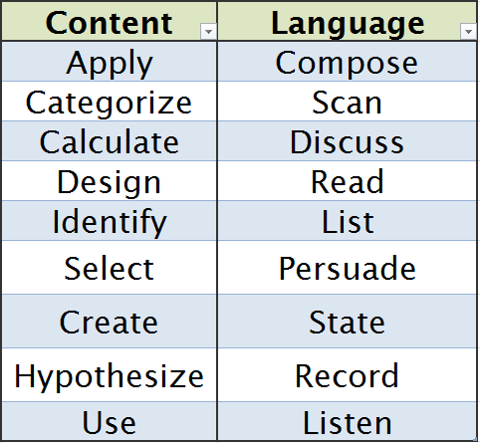
 | [1.B] Vocabulary Denotative/Connotative meaning of words |  | [2A] How genres of texts with similar themes shape meaning
 | [1.E] Use a dictionary, glossary, or thesaurus to determine meanings |  | [9D] Make logical connections between ideas and details and support with text evidence
R Category 2 Literary Text | [FIG19] Make complex inferences about text Fiction | S Category 2 Literary Text | [2B] Influence of mythic, classical, traditional lit on 20th & 21st century lit | 3/4A
To Do List
 |  |  | [2C] Relate figurative language of a lit work to its historical and cultural setting
 |  |  | [3A] Analyze diction and imagery in poetry
 |  |  | [4A] Explain how dramatic conventions enhance dramatic text
 |  |  | [5A] Non-linear plot vs. linear plot development
 |  |  | [5C] Narrator’s Point of View | 5/6A
 | [5.A] Develop characters through literary devices |  | [6A] Compare literary essays with personal examples and ideas
 |  |  | [7A] Explain irony, sarcasm, and paradox in literary works
 |  |  | [12A] Compare & contrast visual images vs. non-visual texts
 |  |  | [12D] Evaluate changes in formality & tone
 |  |  | [Fig19B] Make complex inferences & use text evidence to support understanding Nonfiction, Poetry, Drama, & Media | 7/8A Conference & Planning
R Category 3 Informational Text | [FIG 19B] Make complex inference about text Expository | S Category 3 Informational Text | [9B] Differentiate between substantiated & unsubstantiated opinions in text
 |  |  | [10A] Analyze relevance, quality, and credibility of evidence either to support or oppose argument
 | [8.A] Explain controlling Ideas in expository texts supporting author’s purpose |  | [10B] Analyze famous speeches for rhetorical devices
 |  |  | [11A] Analyze clarity of objectives of procedural texts
 | [9.A] Summarize an Expository Text |  | [11B] Analyze factual, quantitative, or technical data | Reflections of the Day:
 |  |  | [12A] Compare & contrast how events are presented by visual images vs. non-visual texts
 | [9.C] Draw conclusions / Make inferences about ideas and organizational patterns |  | [12D] Evaluate changes in formality and tone within same medium for specific audience
 |  |  | [Fig19B] Make complex inferences about text and use textual evidence in Persuasive, Procedural, Media

Reminders
Writing |  |  |  | Date | 2015-02-20
Readiness |  |  | Supporting | 1/2B
R Category 4 Composition | E1.13.B structure ideas in a sustained and persuasive way (e.g., using outlines, note taking, graphic organizers, lists) and develop drafts in timed and open ended situations that include transitions and the rhetorical devices used to convey meaning. |  | NO SUPPORTING for Category 4 Composition
 | E1.13.C revise drafts to improve style, word choice, figurative language, sentence variety, and subtlety of meaning after rethinking how well questions of purpose, audience, and genre have been addressed
 | E1.13.D edit drafts for grammar, mechanics, and spelling
 | E1.14.A write an engaging story with a well developed conflict and resolution, interesting and believable characters, and a range of literary strategies (e.g., dialogue, suspense) and devices to enhance the plot
 | E1.15.A write an [analytical] essay of sufficient length that includes
 | (i) effective introductory and concluding paragraphs and a variety of sentence structures |  |  | 3/4B
To Do List
 | (ii) rhetorical devices, and transitions between paragraphs
 | (iii) a controlling idea or thesis
 | (iv) an organizing structure appropriate to purpose, audience, and context
 | (v) relevant information and valid inferences
R Category 5 Editing | E1.13.C revise drafts to improve style, word choice, figurative language, sentence variety, and subtlety of meaning after rethinking how well questions of purpose, audience, and genre have been addressed | S Category 5 Editing | E1.15.A write an [analytical] essay of sufficient length that includes
 |  |  | (i) effective introductory and concluding paragraphs and a variety of sentence structures | 5/6B
 |  |  | (ii) rhetorical devices, and transitions between paragraphs
 |  |  | (iii) a controlling idea or thesis
 |  |  | (iv) an organizing structure appropriate to purpose, audience, and context
 |  |  | (v) relevant information and valid inferences
 |  |  | E1.16 write an argumentative essay to the appropriate audience that includes
 |  |  | (A) a clear thesis or position based on logical reasons supported by precise and relevant evidence | 7/8B Conference & Planning
 |  |  | (C) counter arguments based on evidence to anticipate and address objections
 |  |  | (D) an organizing structure appropriate to the purpose, audience, and context
 |  |  | (E) an analysis of the relative value of specific data, facts, and ideas
R Category 6 Revision | E1.13.D edit drafts for grammar, mechanics, and spelling | S Category 6 Revision | E1.17.A use and understand the function of the following parts of speech in the context of reading, writing, [and speaking]:
 | E1.17.A use and understand the function of the following parts of speech in the context of reading, writing, [and speaking] |  | (i) more complex active and passive tenses and verbals (gerunds, infinitives, participles) | Reflections of the Day:
 | E1.17.C use a variety of correctly structured sentences (e.g., compound, complex, compound􀍲complex) |  | (ii) restrictive and nonrestrictive relative clauses
 | E1.18.A use conventions of capitalization; |  | (iii) reciprocal pronouns (e.g., each other, one another)
 | E1.18.B use correct punctuation marks |  | E1.18.B use correct punctuation marks including
 | E1.19.A spell correctly, including using various resources to determine and check correct spellings |  | (i) quotation marks to indicate sarcasm or irony
 |  |  | (ii) comma placement in nonrestrictive phrases, clauses, and contrasting expressions

