calendar
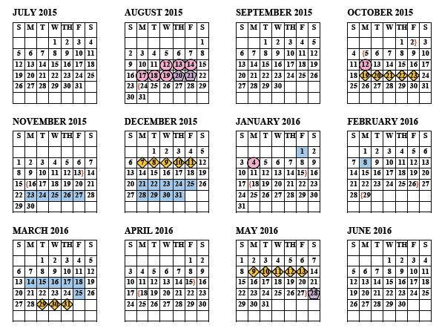

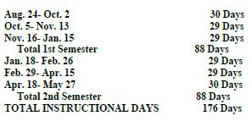

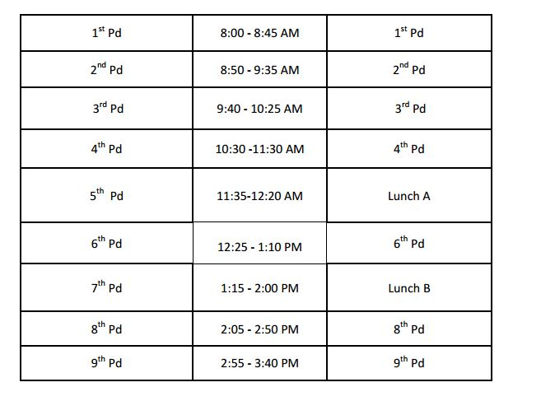

Planner
Reminders
Date: | 4th SW - Spring 2016
ELA IV - 1/2A 8:00 - 9:35am

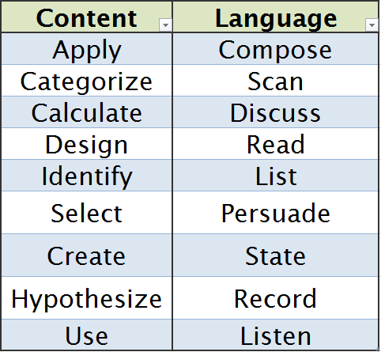

British Lit. 2321 S11 - 3/4A 9:40 - 11:30am

To Do List

British Lit. 2321 S25 - 5/6A 11:35 - 1:10pm

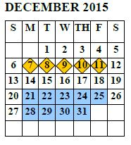

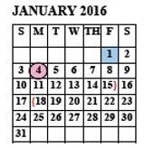
7- lunch - 1:15 - 2:00pm 8th Conference 2:05 - 2:50 & 9th Planning 2:55 - 3:40

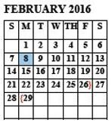

Reflections of the Day:
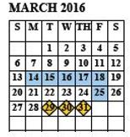

Reminders
Date | 4th SW - Spring 2016
ELA IV - 1/2B 8:00 - 9:35am

British Lit. 2321 S78 3/4B 9:40 - 11:30am
To Do List

British Lit. 2321 S79 - 5/6B 11:35 - 1:10pm

7- lunch - 1:15 - 2:00pm 8th Conference 2:05 - 2:50 & 9th Planning 2:55 - 3:40

Reflections of the Day:

